Summary Criteria & Formulas
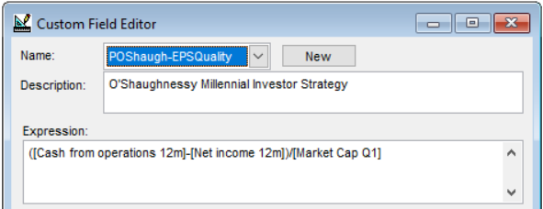
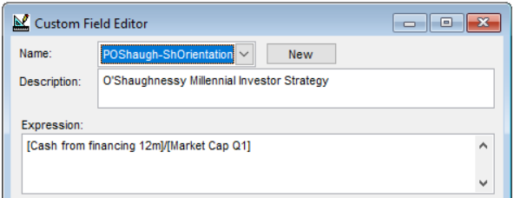
Criteria for Use With Stock Investor Pro
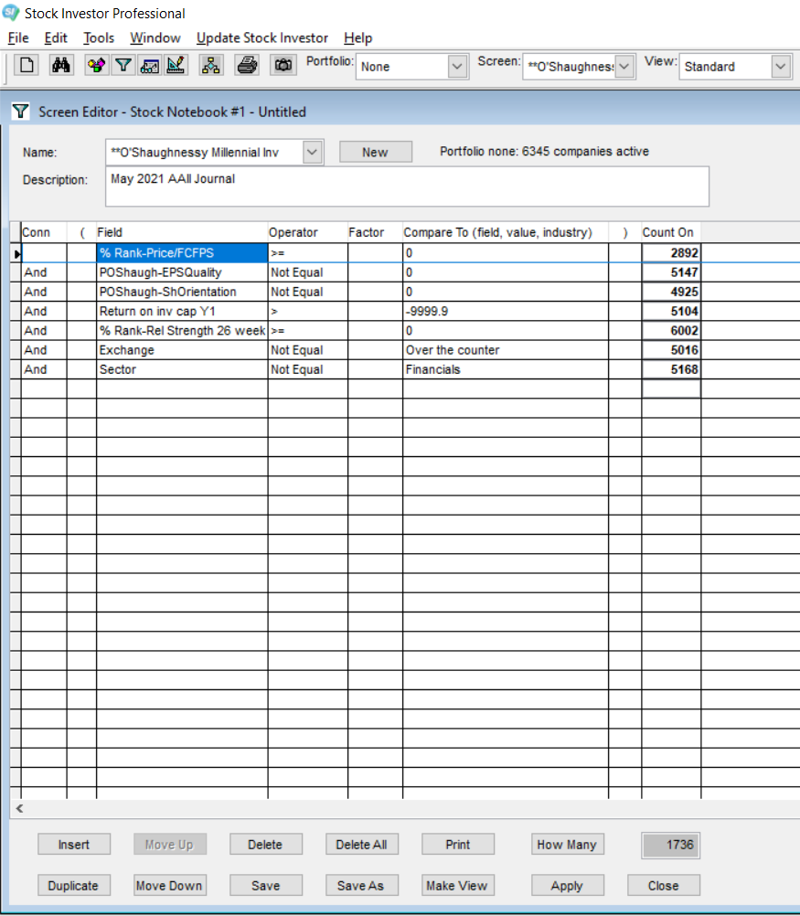
Data Category | Conn | Field | Operator | Factor | Compare to
% Rank |  | % Rank-Price/FCFPS | >= |  | 0
Custom Field | And | POShaugh-EPSQuality | Not Equal |  | 0
Custom Field | And | POShaugh-ShOrientation | Not Equal |  | 0
Ratios | And | Return on inv cap Y1 | > |  | -9999.9
% Rank | And | % Rank-Rel Strength 26 week | >= |  | 0
Company Information | And | Exchange | Not Equal |  | Over the counter
Company Information | And | Sector | Not Equal |  | Financial

Custom Fields Used in Screen:
POShaugh-EPSQuality |  | ([Cash from operations 12m]-[Net income 12m])/[Market Cap Q1]
POShaugh-ShOrientation |  | [Cash from financing 12m]/[Market Cap Q1]

Formulas for Ranking in Excel (with 1737 as last row in array)*
With % Rank-Price/FCFPS in column C |  | Formula in Value Rank column D is |  |  | =100-C2
With POShaugh-EPSQuality in column F |  | Formula in Earnings Quality Rank column G is |  |  | =(PERCENTRANK.INC(F$2:F$1737,F2))*100
With POShaugh-ShOrientation in column I |  | Formula in Shareholder Orientation Rank column J is |  |  | =(1-(PERCENTRANK.INC(I$2:I$1737,I2)))*100
With Return on inv cap Y1 in column L |  | Formula in ROIC Rank column M is |  |  | =(PERCENTRANK.INC(L$2:L$1737,L2))*100
With % Rank-Rel Strength 26 week in column O |  | Formula in Momentum Rank column P is |  |  | =O2
 |  | Formula in Composite Score column is |  |  | =P2+M2+J2+G2+D2
*Array number will change depending on total number of companies exported.

